Phạm Văn Toàn
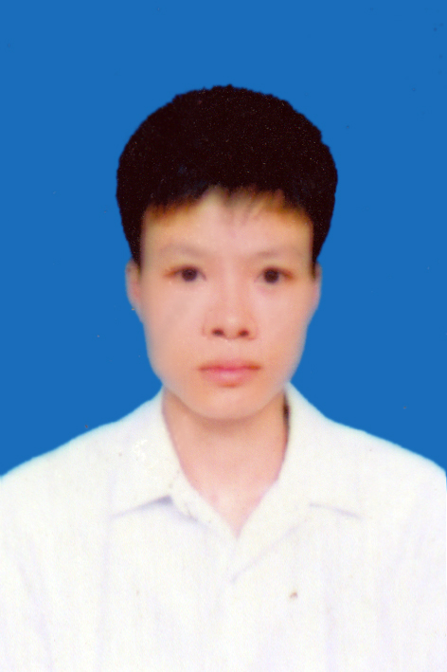
CURICULUM VITAE
Full name |  |  |  | Phạm Văn Toàn |  |  |  |  | Gender | Male

Birthday |  |  |  | 12/2/1990 |  |  |  | National | Viet nam
Email |  |  |  | toanpv.fami@gmail.com |  |  |  | Phone Number | 01689906797

Education/ Certificate
From |  |  | To |  |  | Education/ Certificate
2008 |  |  | 2013 |  |  | Bachelor of Science, School of Applied Mathematics and Informatics, Hanoi University of Science and Technology (HUST)

Foreign Language
Language |  |  |  |  |  |  | Level
English |  |  |  |  |  |  | 3:Normal

Skill

 | Skill categories |  |  |  | Skill |  |  |  |  | Experience (years)
 | Roles |  |  |  | Project technical leader |  |  |  |  | 1
 |  |  |  |  | Developer |  |  |  |  | 3
 | Documents |  |  |  | Detail Design |  |  |  |  | 0.5
 |  |  |  |  | Basic Design |  |  |  |  | 0.5
 | Programming languages |  |  |  | Java |  |  |  |  | 2
 |  |  |  |  | Javaweb |  |  |  |  | 1.5
 |  |  |  |  | HTML5/Javascript/CSS |  |  |  |  | 1.5
 |  |  |  |  | HTML5/ajax |  |  |  |  | 1.5
 |  |  |  |  | Shell script |  |  |  |  | 1.5
 | Database |  |  |  | MS SQL Server |  |  |  |  | 1
 |  |  |  |  | My SQL |  |  |  |  | 2
 |  |  |  |  | PostgreSQL |  |  |  |  | 1
 |  |  |  |  | DB2 |  |  |  |  | 0.5
 | Operating system |  |  |  | Windows 7 |  |  |  |  | 3
 |  |  |  |  | Linux |  |  |  |  | 2
 | Domain |  |  |  | Web application |  |  |  |  | 2
 |  |  |  |  | Maintenance |  |  |  |  | 1
 |  |  |  |  | Migration |  |  |  |  | 1.5
 | Tools |  |  |  | Eclipse |  |  |  |  | 5
 |  |  |  |  | Maven |  |  |  |  | 2
 |  |  |  |  | Git |  |  |  |  | 1
 |  |  |  |  | SVN |  |  |  |  | 3
 |  |  |  |  | Other |  |  |  |  | 1
 |  |  |  |  | TERA TERM |  |  |  |  | 2
 | Platform/Framework |  |  |  | Struts |  |  |  |  | 0.5
 |  |  |  |  | Spring |  |  |  |  | 1.5
 |  |  |  |  | J2EE |  |  |  |  | 1
 |  |  |  |  | Hibernate |  |  |  |  | 1
 |  |  |  |  | MyBatis |  |  |  |  | 1
 |  |  |  |  | JQuery |  |  |  |  | 2

Detail experiences
Period |  | Project description |  |  |  |  |  |  |  |  | Technology | Roles
From: 9/2016 To: Now |  | Domain name: JAVA Enterprise, Web service Project name: JFE_TRIAL Overview: Migration Batch Job COBOL to JAVA in J-HOPE & J-BATCH Framework Migration application program(COBOL, VB...) from a legacy system of JFE-Steel to latest technology Enterprise Architecture standards (JEE7, Java 8...). • Used J-Hope & J-Batch base on (JSR-352 JBatch) frameworks for development. • Developed SQL queries and Procedures using DB2. • Fix bug, maintenance and find solution for performance. Scope of each segment depends on the nature of each request. Team size: 22 people Responsibilities: - Tracking and assign tasks. - Estimate efforts, create plan. - Coding, Unit test, Review code. - Create design documents (basic and detail), review document design. - Create Database design. - Resolve technical issues. |  |  |  |  |  |  |  |  | IDE Tool: Raditional Application Developer for WebSphere. Language: Java8. Framework: J-Batch base on JEE7(JSR-352 J-Batch). DB: DB2. Build tool: Maven. VCS tool: SVN. WebServer: WebSphere Liberty(IBM). OS: Windows, Linux | Role: Developer At FPT Software

From: 3/2016 To: 9/2016 |  | Domain name: JAVA WebApplication, Web service Project name: DIR_TK_BEMS Overview: Maintain, develop web application TK-BEM for customers and clients DIR-BI. TK-BEM is related in bussiness electric management in the TK Company's building. • Used Spring MVC frameworks for development. • Developed SQL queries and Procedures using PostgreSQL. • Fix bug, maintenance and find solution for performance. Scope of each segment depends on the nature of each request. Team size: 15 people Responsibilities: - Tracking and assign tasks. - Estimate efforts, create plan. - Coding, Unit test, Review code. - Create design documents (basic and detail), review document design. - Create Database design. - Resolve technical issues. |  |  |  |  |  |  |  |  | IDE Tool: Eclipse. Language: Java 6, Java script, HTML. Technology: Ajax, CSS, Mybatis, Jquery. Framework: Spring, Junit Test. Build tool: Maven. VCS tool: Git. DB: PostgreSQL. WebServer: Tomcat. OS: Windows XP, Linux. | Role: Team Leader At FPT Software

From: 11/2015 To: 3/2016 |  | Domain name: JAVA WebApplication, Web service Project name: DIR_AD_BEMS Overview: Maintain, develop web application AD-BEM for customers and clients DIR-BI. AD-BEM is related in bussiness electric management in the AD Company's building. • Used Spring MVC frameworks for development. • Developed SQL queries and Procedures using PostgreSQL. • Fix bug, maintenance and find solution for performance. Scope of each segment depends on the nature of each request. Team size: 12 people Responsibilities: - Tracking and assign tasks. - Estimate efforts, create plan. - Coding, Unit test, Review code. - Create design documents (basic and detail), review document design. - Create Database design. - Resolve technical issues. - Performance optimizing. |  |  |  |  |  |  |  |  | IDE Tool: Eclipse. Language: Java 6, Java script, HTML. Technology: Ajax, CSS, Mybatis, Jquery. Framework: Spring, Junit Test. Build tool: Maven. VCS tool: Git. DB: PostgreSQL. WebServer: Tomcat. OS: Windows XP, Linux. | Role: Developer At FPT Software

From: 3/2015 To: 11/2015 |  | Domain name: Migration Project name: Unicage 2 Overview: Migration ETL tool Datastage to Unicage uses shell script. - Businiess domain: Big Data - Scope: Codding ~ UT & Support UAT Team size: 20 people Responsibilities: - Tracking and assign tasks. - Estimate efforts, create plan. - Coding, Unit test, Review code. |  |  |  |  |  |  |  |  | Tool: Vim, Notepad++, Teraterm, WinSCP. Language: Shell script, Unicage commands package. VCS tool: SVN. OS: Unix-like (Cent-OS 7). | Role: Technical Lead At FPT Software

From: 9/2014 To: 3/2015 |  | Domain name: Migration Project name: Unicage 1 Overview: Migration ETL tool Datastage to Unicage uses shell script. - Businiess domain: Big Data - Scope: Codding ~ UT & Support UAT Team size: 20 people Responsibilities: - Tracking and assign tasks. - Estimate efforts, create plan. - Coding, Unit test, Review code. |  |  |  |  |  |  |  |  | Tool: Vim, Notepad++, Teraterm, WinSCP. Language: Shell script, Unicage commands package. VCS tool: SVN. OS: Unix-like (Cent-OS 7). | Role: Developer At FPT Software

